CARB
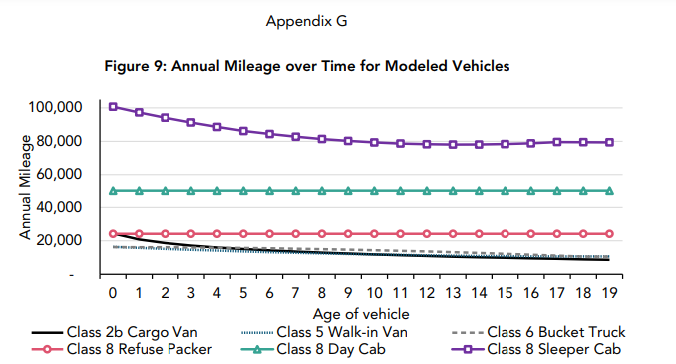
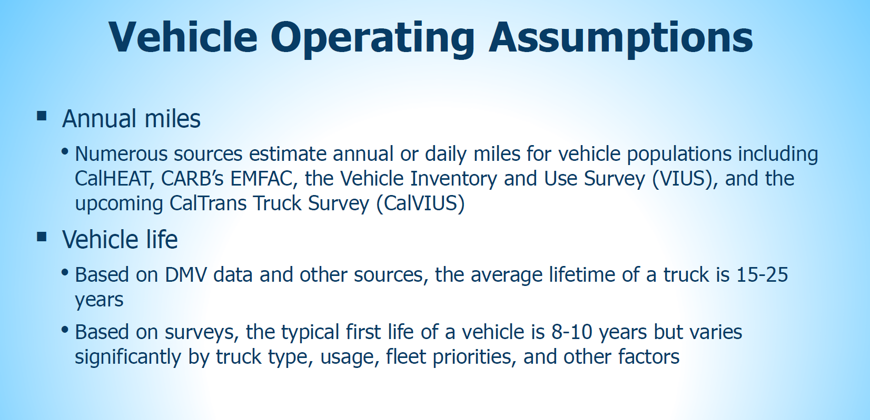
CARB states 15 - 25 years, e.g. below.

Take the midpoint. | 20

https://ww2.arb.ca.gov/sites/default/files/2018-12/181204workgrouppresentation.pdf
 |  | https://ww2.arb.ca.gov/sites/default/files/barcu/regact/2022/acf22/appg.pdf

